PCA
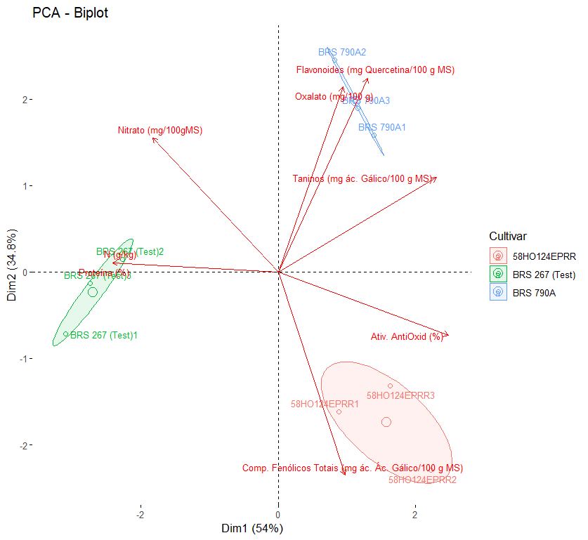
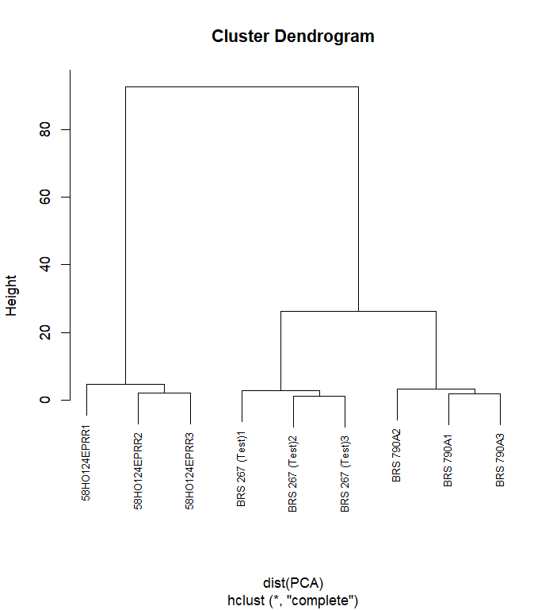
Importance of components:
PC1 PC2 PC3 PC4 PC5 PC6 PC7 PC8
Standard deviation 2,0789 1,6681 0,81778 0,39078 0,26045 0,07079 0,03573 1,817e-15
Proportion of Variance 0,5402 0,3478 0,08359 0,01909 0,00848 0,00063 0,00016 0,000e+00
Cumulative Proportion 0,5402 0,8881 0,97165 0,99073 0,99921 0,99984 1,00000 1,000e+00

Dim.1 Dim.2 Dim.3 Dim.4 Dim.5 Dim.6 Dim.7 Dim.8
N (g/kg) -0.9161083 0.04137737 0.3934636627 -0.03217762 0.055464305 0.010395854 1.025152e-05 -1.284491e-15
Proteína (%) -0.9161083 0.04137737 0.3934636627 -0.03217762 0.055464305 0.010395854 1.025152e-05 1.284491e-15
Comp. Fenólicos Totais (mg ác. Ác. Gálico/100 g MS) 0.3684712 -0.89251068 0.2058829315 0.15687152 0.008488916 -0.001660249 -2.413244e-02 2.233572e-29
Flavonoides (mg Quercetina/100 g MS) 0.4944821 0.85157205 -0.0000365545 -0.17085863 0.007763322 0.024105267 -2.187471e-02 1.426864e-29
Ativ. AntiOxid (%) 0.9403724 -0.27821653 0.1825439087 0.04385109 -0.006340323 0.053215135 1.334310e-02 -2.036937e-29
Nitrato (mg/100gMS) -0.6948073 0.58938093 -0.3130413251 0.26403871 0.038965247 0.025036627 -4.064494e-03 2.016769e-30
Taninos (mg ác. Gálico/100 g MS) 0.8758703 0.41454236 0.1231746259 0.06649044 0.202327265 -0.021411677 4.250809e-03 8.067077e-30
Oxalato (mg/100 g) 0.3587298 0.81297295 0.4126202266 0.14414799 -0.138045296 -0.017152110 1.764199e-03 -2.432728e-30

